05_Mc Learnin-3
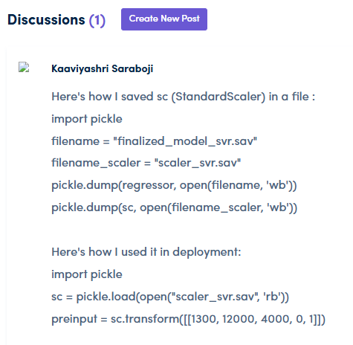
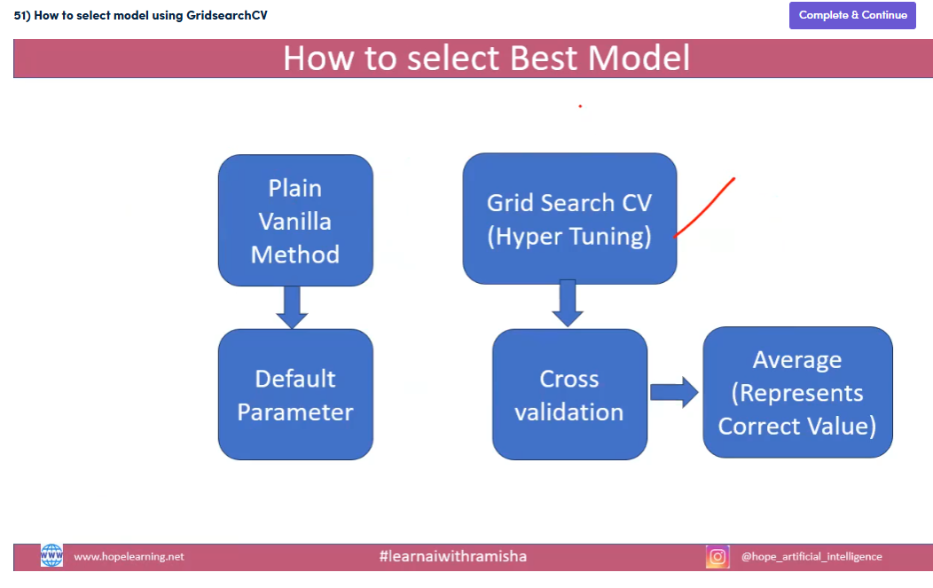
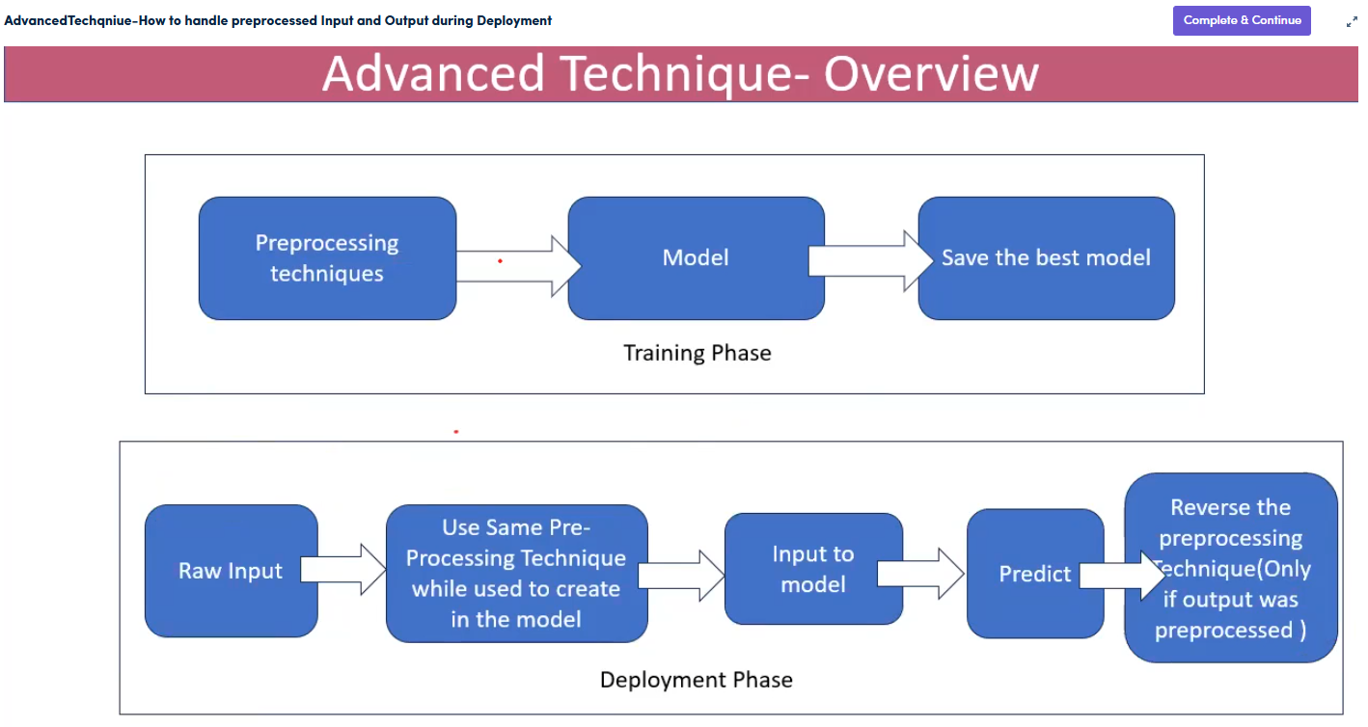
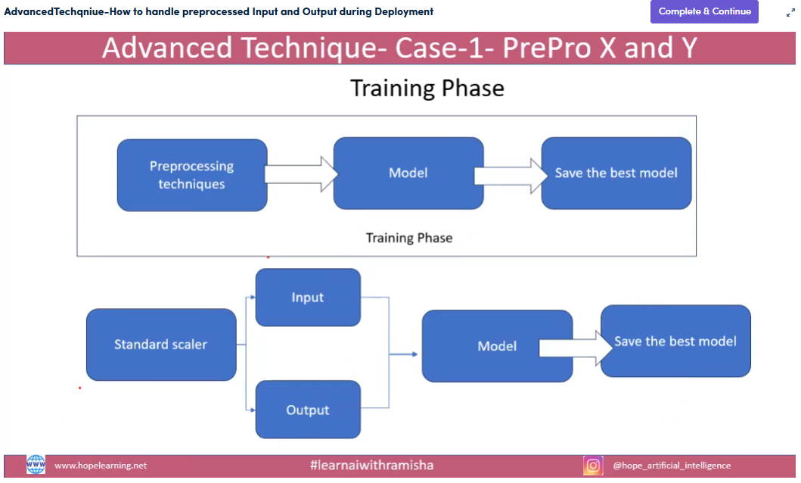
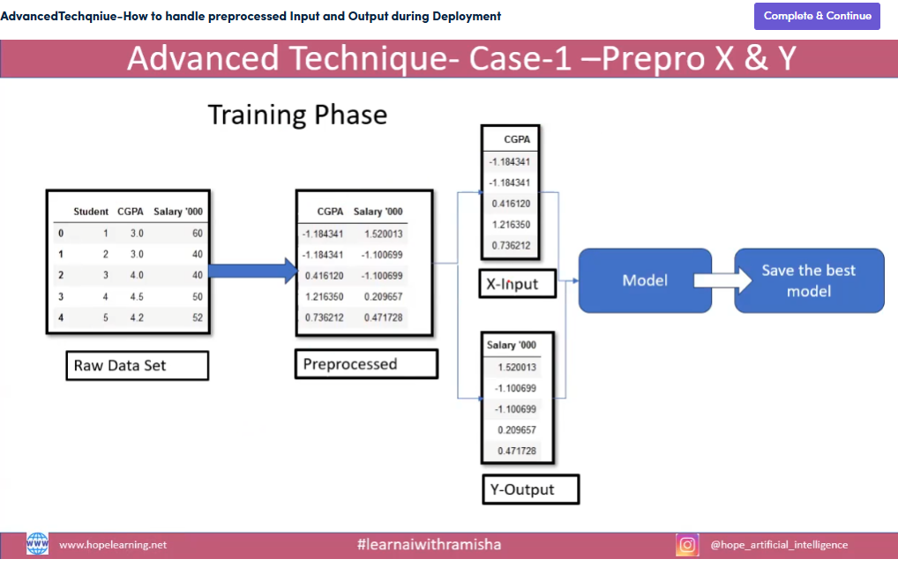
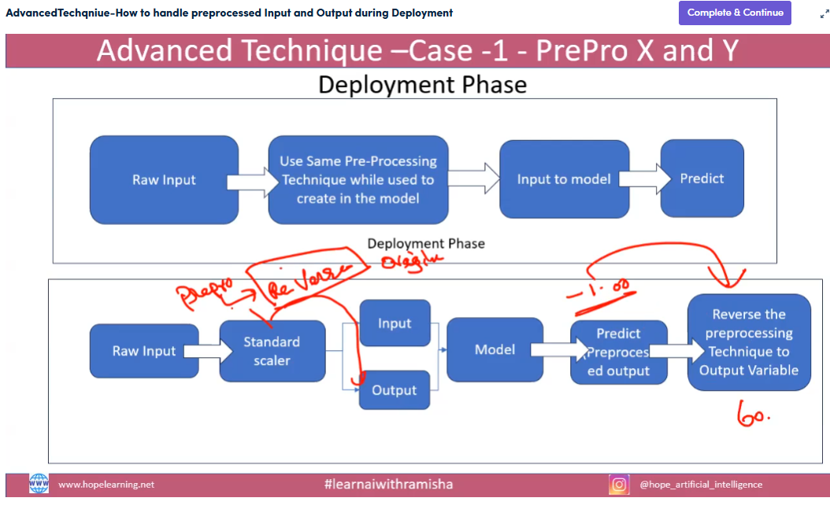
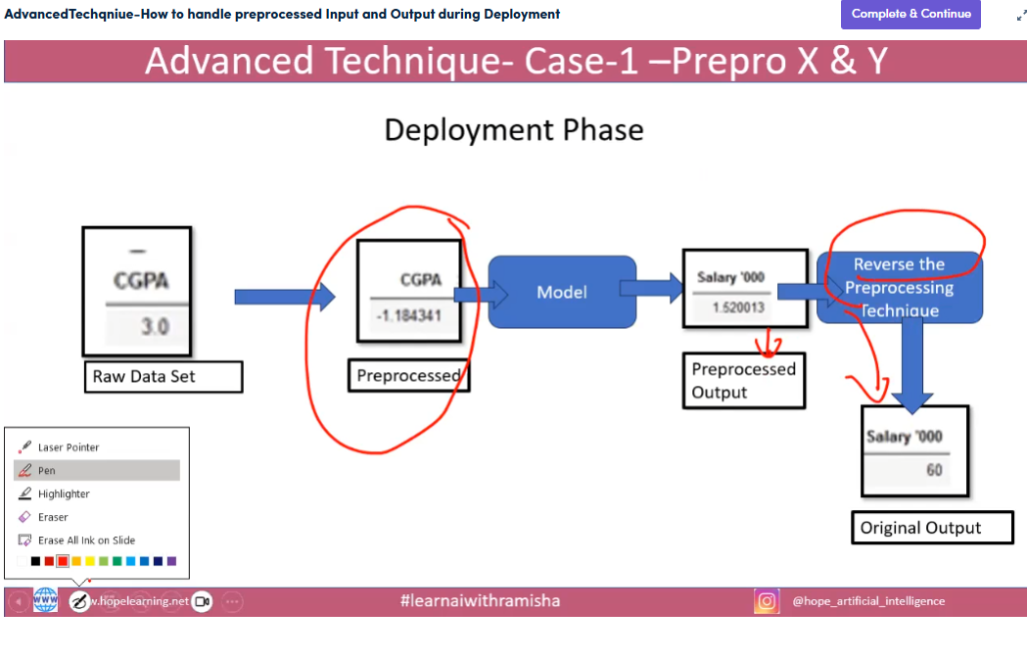
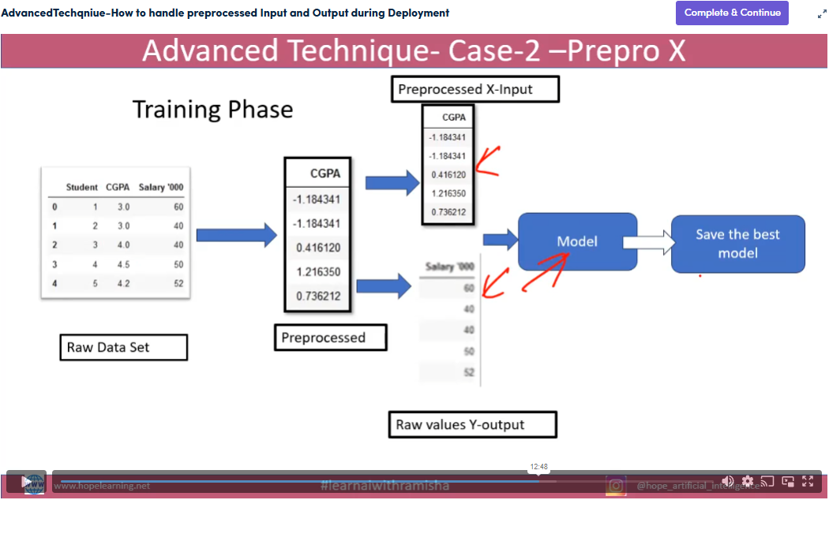
Typical step by step Gridsearch Code for SVMR, Decision Tree & Random Forest)
S.No. | Desciption | Sample Code
1 | Import Libraries | Import numpy as np, Import matplotlib as plt, Import pandas as pd
2 | read dataset | dataset=pd.read_csv("insurance_pre.csv")
3 | Convert Category to Nominal data | dataset=pd.get_dummies(dataset,drop_first=True).astype(int)
4 | Find Column Headers | dataset.columns
5 | Assign Input Variable | independent=dataset[['age', 'bmi', 'children', 'charges', 'sex_male', 'smoker_yes']]
6 | Assign Output Variable | dependent=dataset[['charges']]
7A | Import GridSearch Libraries (SVMR) | from sklearn.model_selection import GridSearchCV from sklearn.svm import SVR
7B | Import GridSearch Libraries (Decision Tree) | from sklearn.model_selection import GridSearchCV from sklearn.tree import DecisionTreeRegressor
7C | Import GridSearch Libraries (Random Forest) | from sklearn.model_selection import GridSearchCV from sklearn.ensemble import RandomForestRegressor
8A | Set Playable Grid Parameters (SVMR) | param_grid = { "kernel":["rbf", "poly", "sigmoid", "linear"], "C":[10,100,1000,2000,3000], "gamma":["scale"] } grid = GridSearchCV(SVR(), param_grid, cv=3, scoring="r2", verbose=3, n_jobs=-1)
8B | Set Playable Grid Parameters (Decision Tree) | param_grid = {"criterion":["squared_error","absolute_error", "friedman_mse", "poisson"], "max_features":[None, "sqrt", "log2"], "splitter":["best", "random"] } grid = GridSearchCV(DecisionTreeRegressor(random_state=0), param_grid, cv=5, refit=True, verbose=3, n_jobs=-1, error_score="raise")
8C | Set Playable Grid Parameters (Random Forest) | param_grid = {"criterion":["squared_error","absolute_error", "friedman_mse", "poisson"], "max_features":[None, "sqrt", "log2"], "n_estimators":[10,100] } grid = GridSearchCV(RandomForestRegressor(), param_grid, cv=5, refit=True, verbose=3, n_jobs=-1, error_score="raise")
9 | Fitting the model for GridSearch | grid.fit(independent, dependent)
10 | Print best parameter after tuning | re=grid.cv_results_ print ("The R_Score value for best parameter {}:".format(grid.best_params_))
11 | Set Table | table=pd.DataFrame.from_dict(re)
12 | Assign Future Data | age_input=float(input("Age:")) bmi_input=float(input("BMI:")) children_input=float(input("Children:")) sex_male_input=int(input("Sex Male <0 or 1>:")) sex_female_input=int(input("Sex Female <0 or 1>:")) smoker_yes_input=int(input("Smoker Yes <0 or 1>:"))
13 | Print Future Prediction | Future_Prediction = grid.predict([[age_input, bmi_input, children_input, sex_male_input, smoker_yes_input, sex_female_input]]) print("Future_Prediction={}".format(Future_Prediction)) print("Best Parameters:", grid.best_params_) print("Best Score:", grid.best_score_)

